text_questions
EXERCISE – 15/11/2019
Required:
· Journalize the following transactions and post them to the ledger
META: Transactions
1. On March 21, 2015 Meta buys a big piece of land for euro 10.000 (cash)
2. On March 22, 2015 Meta buys securities for euro 20.000
3. On March 31, 2015 Meta agrees for an operating lease for €3.000.
4. On Nov 21, 2015 Meta sells securities for euro 18.000
5. On Dec 1, 2015 Meta sells the big piece of land for euro 15.000
Other Exercises
Exercise 1
The following are the major balance sheet classifications:
Current assets (CA)
Long-term investment (LTI)
Property, plant and equipment (PPE)
Intangible assets (IA)
Current liabilities (CL)
Long-term liabilities (LTL)
Common stock (CS)
Retained earning (RE)

Match each of the following accounts to its proper balance sheet classification:
CL Accounts payable
Accounts receivable
Accumulated depreciation
Buildings
Cash
Goodwill
Income taxes payable
Investment in long-term bonds
Land
Inventory
Patent
Supplies

Exercise 2
Baxter Hoffman recently received the following information related to Hoffman Corporation’s December 31, 2014, balance sheet:
Prepaid insurance $ 2,300
Cash 800
Equipment 10,700
Inventory $3,400
Accumulated depreciation— equipment 2,700
Accounts receivable 1,100

Prepare the assets section of Hoffman Corporation’s classified balance sheet.
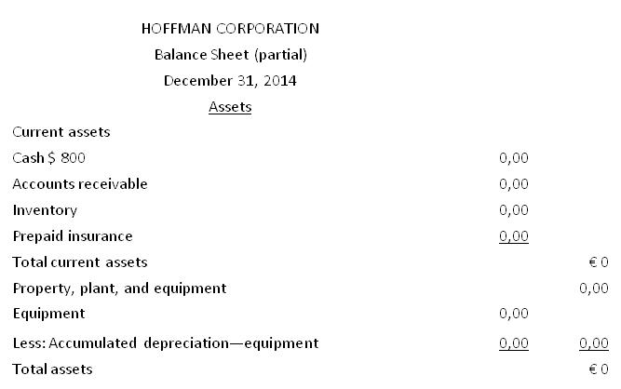

Exercise 3
The following financial statement items were taken from the financial statements of Callahan Corp.
______ Employee compensation payable
______ Service revenue
______ Interest payable
______ Goodwill
______Depreciation expense
______ Debt investments (short-term)
______ Mortgage payable (due in 3 years)
______ Investment in real estate (i.e. land)
______ Equipment
______ Accumulated depreciation—equipment
Match each of the items to its proper balance sheet classification, shown below. If the item would not appear on a balance sheet, use “NA.”

Current assets (CA)
Current liabilities (CL)
Long-term investments (LTI)
Long-term liabilities (LTL)
Property, plant, and equipment (PPE)
Stockholders’ equity (SE)
Intangible assets (IA)

