text_questions
EXCERCISE 20/11/2019

Required:
· Journalize the following transactions and post them to the ledger

SAULK STEREO (SS) - Transactions
On April 5 purchased merchandise from Frost Company for $28,000 terms 2/10 n.30
On April 7 purchased equipment on account for $ 30,000
On April 8 returned $3,600 of April 5 merchandise to Frost Company
On April 15 paid the amount due to Frost Company in full
Assume that SS paid the balance due to Frost Company on May instead of April 15.
On 4 May 2014 SS buys Printed Circuit Board-propotype and Production Model Circuits on account from PW Audio Supply for $3,800.
On 14 May the invoice is paid
Terms: 2/10 n. 30: 2% discount if paid within 10 days, otherwise net amount due within 30 days.
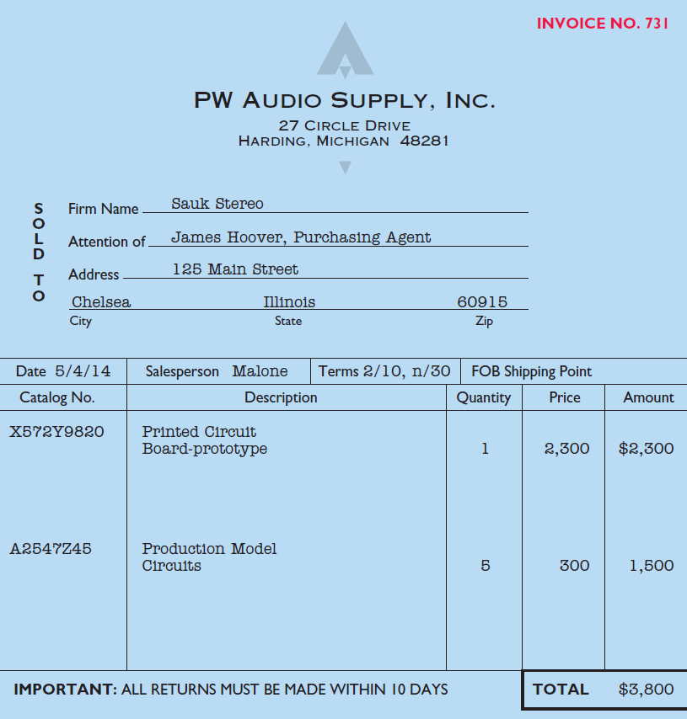

On September 5, SS buys merchandise on account from Junot Diaz Company for $1,500.
On September 8, SS returns defective goods for a price of $200.
On October 5, SS buys merchandise on account from Rossi Company for $5,000.
On October 8, SS returns defective goods for a price of $640.
Goods costing $ 1,900 are purchased on account on Oct 15 with credit terms of 2/10, n.30. On Oct 18 the purchaser receives a $ 300 credit from the supplier for damage goods. On Oct 24 the purchaser pays the outstanding amount.
On Dec 20, SS buys goods paying cash for $ 150 + VAT 22%
On Dec 23 SS sells equipment cash for $ 30.000

